Constants
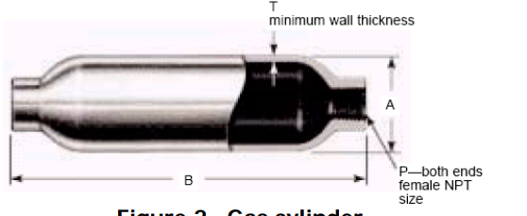
Set up #4 (V) vs Pressure (Psi)
Pressure Transducer
Given | Pressure (Psi) | Set up #4 (V)
 | 0 | 0.119
 | 400 | 4.2
From Interpolation
Slope | 98 | psi/V
Y-intercept | -11.7 | psi/V
Mass to Voltage Scale Factor
20 | kg
6.894 | V
Volume of Tank
0.003785 | m^3
Miscellaneous Constant(s)
psi to Pa | 6894.75729 | Pa/psi
Molar mass
Nitrogen | 0.0280134 | kg/mol | https://www.webqc.org/molecular-weight-of-Nitrogen.html
Air | 0.02897 | kg/mol | From lab lecture
R constant
Universal R | 8.314 | J/molK
Nitrogen R | 296.7865379 | J/kgK
Tank Specifications
A | B | T | Internal Volume | Presure Rating
4 in | 26.7 in | 0.206 in | 3785 cm^3 | 1800 psig

